Sheet1
Style Name | Image | Factory Style | Color | NRF | Pack | Style Number | Width | Size Breakdown | MSRP | Warehouse | ATS Musical Qty | ATS PNP Qty | ATS Total Qty
SGR-MACHELENE | 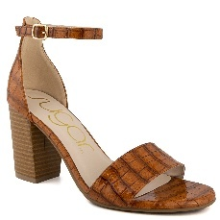 | WS07784 | J-COGNAC PATENT | 201 | BOX | 77855EJE | M | 6*1 6H*1 7*1 7H*2 8*2 8H*2 9*1 9H*1 10*1 | $49.99 | California | 756 | 0 | 756
SGR-MACHELENE |  | WS07784 | JJ-COGNAC EMBOS | 200 | BOX | 77850EJE | M | 6*1 6H*1 7*1 7H*2 8*2 8H*2 9*1 9H*1 10*1 | $49.99 | California | 516 | 0 | 516
SGR-MACHELENE Total |  |  |  |  |  |  |  |  |  |  | 1,272 | 0 | 1,272
SGR-BELLEZA |  | WS08730W | PZ-PINK MULTI F | 650 | BOX | 08730EJL | M | 6*1 6H*1 7*1 7H*2 8*2 8H*2 9*1 9H*1 10*1 | $49.99 | California | 396 | 0 | 396
SGR-BELLEZA Total |  |  |  |  |  |  |  |  |  |  | 396 | 0 | 396
SGR-HARLEM |  | WS08769W | D-NAVY STRIPE | 400 | BOX | F8770SW | M | By Size: 6 6H 7 7H 8 8H 9 9H 10 11 | $49.99 | California | 0 | 158 | 158
SGR-HARLEM Total |  |  |  |  |  |  |  |  |  |  | 0 | 158 | 158
SGR-HARLOW |  | WS08424W | Z-PASTEL MULTI | 650 | BOX | 08424EJL | M | 6*1 6H*1 7*1 7H*2 8*2 8H*2 9*1 9H*1 10*1 | $49.99 | California | 1,128 | 0 | 1,128
SGR-HARLOW Total |  |  |  |  |  |  |  |  |  |  | 1,128 | 0 | 1,128
SGR-HERO | 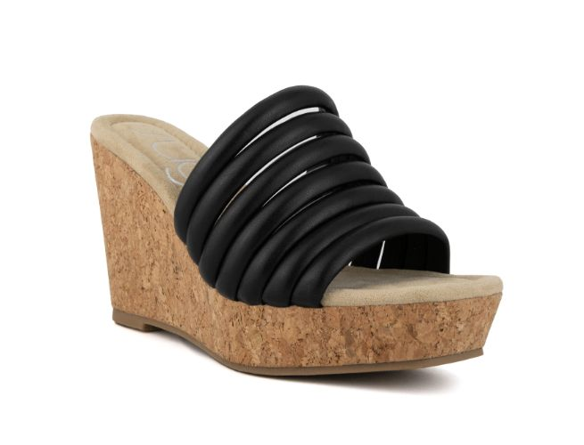 | WS09202W | BLACK SMOOTH-B | 001 | BOX | 09020EJB | M | 6*1 6H*1 7*1 7H*2 8*2 8H*2 9*1 9H*1 10*1 | $49.99 | California | 996 | 0 | 996
SGR-HERO Total |  |  |  |  |  |  |  |  |  |  | 996 | 0 | 996
SGR-REMOTE |  | WS10332W | KK-GREEN CANVAS | 300 | BOX | 10336EJG | M | 6*1 6H*1 7*1 7H*2 8*2 8H*2 9*1 9H*1 10*1 | $49.99 | California | 444 | 0 | 444
SGR-REMOTE Total |  |  |  |  |  |  |  |  |  |  | 444 | 0 | 444
SGR-REMOTE-BELK RETAIL TICKETS |  | WS10332W | KK-GREEN CANVAS | 300 | BOX | 10332PJG | M | 6*1 6H*1 7*2 7H*1 8*2 8H*1 9*2 9H*1 10*1 | $49.99 | NJ | 360 | 0 | 360
SGR-REMOTE-BELK RETAIL TICKETS |  | WS10332W | L-BLUE DENIM | 400 | BOX | 10334HJR | M | 7*1 7H*1 8*2 8H*2 9*2 9H*1 10*2 11*1 | $49.99 | NJ | 192 | 0 | 192
SGR-REMOTE-BELK RETAIL TICKETS |  | WS10332W | L-BLUE DENIM | 400 | BOX | 10334PJR | M | 6*1 6H*1 7*2 7H*1 8*2 8H*1 9*2 9H*1 10*1 | $49.99 | NJ | 384 | 0 | 384
SGR-REMOTE-BELK RETAIL TICKETS |  | WS10332W | P-HOT PINK CANV | 650 | BOX | 10332HJW | M | 7*1 7H*1 8*2 8H*2 9*2 9H*1 10*2 11*1 | $49.99 | NJ | 132 | 0 | 132
SGR-REMOTE-BELK RETAIL TICKETS |  | WS10332W | P-HOT PINK CANV | 650 | BOX | 10332PJW | M | 6*1 6H*1 7*2 7H*1 8*2 8H*1 9*2 9H*1 10*1 | $49.99 | NJ | 396 | 0 | 396
SGR-REMOTE-BELK RETAIL TICKETS |  | WS10332W | T-NATURAL MET L | 250 | BOX | 10332HJH | M | 7*1 7H*1 8*2 8H*2 9*2 9H*1 10*2 11*1 | $49.99 | NJ | 192 | 0 | 192
SGR-REMOTE-BELK RETAIL TICKETS |  | WS10332W | T-NATURAL MET L | 250 | BOX | 10332PJH | M | 6*1 6H*1 7*2 7H*1 8*2 8H*1 9*2 9H*1 10*1 | $49.99 | NJ | 420 | 0 | 420
SGR-REMOTE-BELK RETAIL TICKETS Total |  |  |  |  |  |  |  |  |  |  | 2,076 | 0 | 2,076
SGR-SUKI |  | WS09239W | NATURAL DAISY C | 250 | BOX | 09239EJD | M | 6*1 6H*1 7*1 7H*2 8*2 8H*2 9*1 9H*1 10*1 | $49.99 | California | 636 | 0 | 636
SGR-SUKI Total |  |  |  |  |  |  |  |  |  |  | 636 | 0 | 636
SGR-HAVANNA | 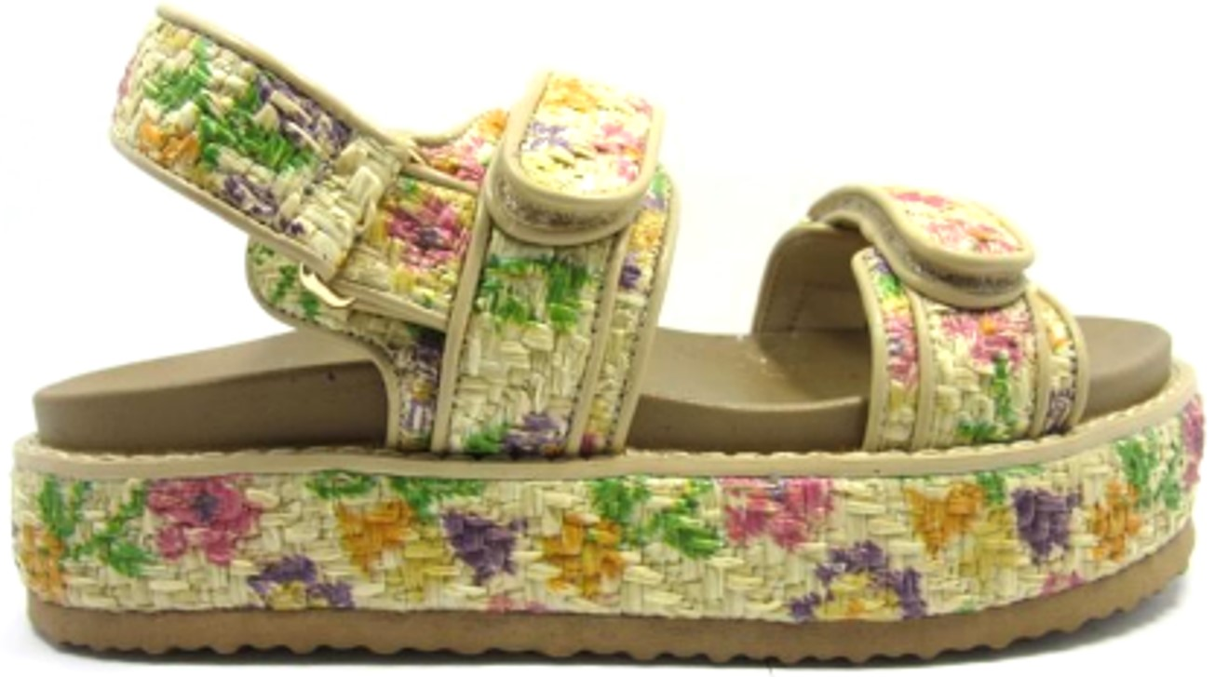 | WS11044W | NATURAL MULTI-T | 900 | BAG | 11044AJQ | M | 6*1 6H*1 7*2 7H*2 8*2 8H*2 9*1 10*1 | $49.99 | California | 7,764 | 0 | 7,764
SGR-HAVANNA Total |  |  |  |  |  |  |  |  |  |  | 7,764 | 0 | 7,764
SGR-SPRYNG |  | WS11744W | TAN MULTI-TZZ W | 900 | BAG | 11744WOZ | W | 7*1 7H*1 8*1 8H*1 9*1 10*1 | $29.99 | California | 4,368 | 0 | 4,368
SGR-SPRYNG |  | WS11744W | TAN MULTI-TZZ W | 900 | BAG | Z11746O5 | W | 6H*6 | $29.99 | California | 732 | 0 | 732
SGR-SPRYNG |  | WS11744W | TAN MULTI-TZZ W | 900 | BAG | Z11749O5 | W | 9H*6 | $29.99 | California | 732 | 0 | 732
SGR-SPRYNG |  | WS11744W | TAN MULTI-TZZ W | 900 | BAG | Z1174BO0 | W | 11*6 | $29.99 | California | 1,110 | 0 | 1,110
SGR-SPRYNG Total |  |  |  |  |  |  |  |  |  |  | 6,942 | 0 | 6,942
SGR-TRISTEN-CUSTOMER TICKETS |  | WS08451W | BYZ-BLACK DAISY | 001 | BAG | 08451EZB | M | 6*1 7*2 8*2 9*2 10*1 | $19.99 | NJ | 3,288 | 0 | 3,288
SGR-TRISTEN-CUSTOMER TICKETS |  | WS08451W | LZ-BLUE DITZY F | 400 | BAG | 08451EZR | M | 6*1 7*2 8*2 9*2 10*1 | $19.99 | NJ | 3,288 | 0 | 3,288
SGR-TRISTEN-CUSTOMER TICKETS Total |  |  |  |  |  |  |  |  |  |  | 6,576 | 0 | 6,576
SGR-TROPICAL-CUSTOMER TICKETS | 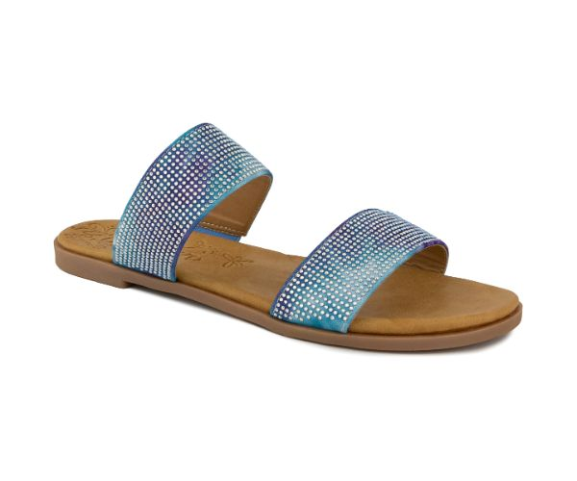 | WS08601W | DU-BLUEBERRY | 400 | BAG | 80611EZR | M | 6*1 7*2 8*2 9*2 10*1 | $19.99 | NJ | 6,568 | 0 | 6,568
SGR-TROPICAL-CUSTOMER TICKETS |  | WS08601W | PZ-PINK | 650 | BAG | 80611EZL | M | 6*1 7*2 8*2 9*2 10*1 | $19.99 | NJ | 3,728 | 0 | 3,728
SGR-TROPICAL-CUSTOMER TICKETS Total |  |  |  |  |  |  |  |  |  |  | 10,296 | 0 | 10,296
SGR-CHAMPION |  | WS10230W | BH-BLK RAFFIA/B | 001 | BOX | B1031SW | M | By Size: 5 5H 6 6H 7 7H 8 8H 9 9H 10 11 | $39.99 | California | 0 | 84 | 84
SGR-CHAMPION |  | WS10230W | BH-BLK RAFFIA/B | 001 | BOX | 10233EJB | M | 6*1 6H*1 7*1 7H*2 8*2 8H*2 9*1 9H*1 10*1 | $39.99 | California | 288 | 0 | 288
SGR-CHAMPION |  | WS10230W | TY-NAT/GOLD RAF | 250 | BOX | H1025SW | M | By Size: 5 5H 6 6H 7 7H 8 8H 9 9H 10 11 | $39.99 | California | 0 | 123 | 123
SGR-CHAMPION Total |  |  |  |  |  |  |  |  |  |  | 288 | 207 | 495
SGR-BECKONING-RETAIL TICKETS |  | WS10287W | B-BLACK/EMBROID | 001 | BOX | 10287HJB | M | 7*1 7H*1 8*2 8H*2 9*2 9H*1 10*2 11*1 | $29.99 | NJ | 1,032 | 0 | 1,032
SGR-BECKONING-RETAIL TICKETS |  | WS10287W | B-BLACK/EMBROID | 001 | BOX | 10287PJB | M | 6*1 6H*1 7*2 7H*1 8*2 8H*1 9*2 9H*1 10*1 | $29.99 | NJ | 1,332 | 0 | 1,332
SGR-BECKONING-RETAIL TICKETS |  | WS10287W | P-FUCHSIA/EMBRO | 650 | BOX | 10287HJW | M | 7*1 7H*1 8*2 8H*2 9*2 9H*1 10*2 11*1 | $29.99 | NJ | 324 | 0 | 324
SGR-BECKONING-RETAIL TICKETS |  | WS10287W | P-FUCHSIA/EMBRO | 650 | BOX | 10287PJW | M | 6*1 6H*1 7*2 7H*1 8*2 8H*1 9*2 9H*1 10*1 | $29.99 | NJ | 792 | 0 | 792
SGR-BECKONING-RETAIL TICKETS |  | WS10287W | S-SILVER/EMBROI | 020 | BOX | 10287EOM | M | 6*1 6H*1 7*1 7H*1 8*1 11*1 | $29.99 | NJ | 48 | 0 | 48
SGR-BECKONING-RETAIL TICKETS |  | WS10287W | S-SILVER/EMBROI | 020 | BOX | 10287HJM | M | 7*1 7H*1 8*2 8H*2 9*2 9H*1 10*2 11*1 | $29.99 | NJ | 432 | 0 | 432
SGR-BECKONING-RETAIL TICKETS |  | WS10287W | S-SILVER/EMBROI | 020 | BOX | 10287PJM | M | 6*1 6H*1 7*2 7H*1 8*2 8H*1 9*2 9H*1 10*1 | $29.99 | NJ | 924 | 0 | 924
SGR-BECKONING-RETAIL TICKETS Total |  |  |  |  |  |  |  |  |  |  | 4,884 | 0 | 4,884
SGR-SNOOZE | 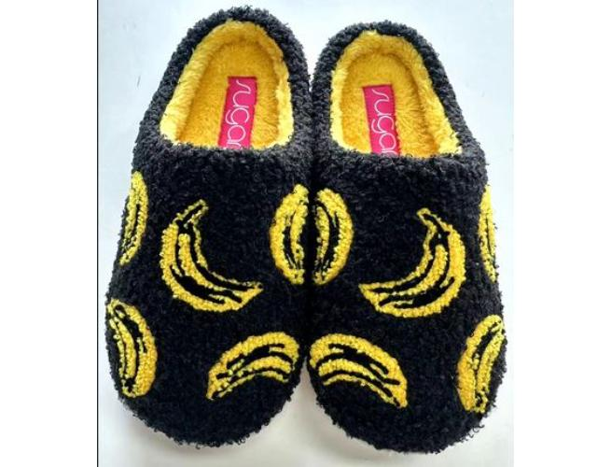 | WS11432W | BY-BLACK/YELLOW | 001 | BAG | 11432XAB | M | S*2 M*4 L*4 XL*2 | $19.99 | California | 1,680 | 0 | 1,680
SGR-SNOOZE | 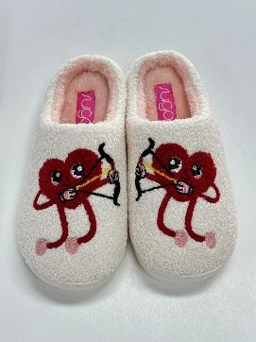 | WS11432W | CR-IVORY/RED | 100 | BAG | 11432XAA | M | S*2 M*4 L*4 XL*2 | $19.99 | California | 2,316 | 0 | 2,316
SGR-SNOOZE | 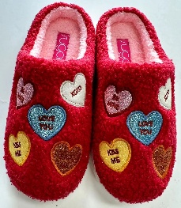 | WS11432W | RZ-RED/MULTI | 600 | BAG | 11432XAE | M | S*2 M*4 L*4 XL*2 | $19.99 | California | 2,916 | 0 | 2,916
SGR-SNOOZE |  | WS11432W | TR-NATURAL/RED | 250 | BAG | 14321XAD | M | S*2 M*4 L*4 XL*2 | $19.99 | California | 2,316 | 0 | 2,316
SGR-SNOOZE | 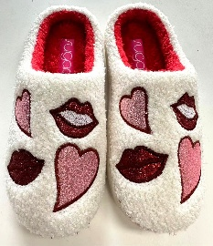 | WS11432W | WRP-WHITE/RED/P | 101 | BAG | 11432XAK | M | S*2 M*4 L*4 XL*2 | $19.99 | California | 2,904 | 0 | 2,904
SGR-SNOOZE Total |  |  |  |  |  |  |  |  |  |  | 12,132 | 0 | 12,132
SGR-BECKETTE |  | WS09627 | S-SILVER METALL | 020 | BOX | M9629SW | M | By Size: 6 6H 7 7H 8 8H 9 9H 10 11 | $49.99 | California | 0 | 186 | 186
SGR-BECKETTE |  | WS09627 | S-SILVER METALL | 020 | BOX | 96272EJM | M | 6*1 6H*1 7*1 7H*2 8*2 8H*2 9*1 9H*1 10*1 | $49.99 | California | 240 | 0 | 240
SGR-BECKETTE Total |  |  |  |  |  |  |  |  |  |  | 240 | 186 | 426
SGR-CABEZA |  | WS10440W | B-BLK CANVAS/CR | 001 | BOX | 10444EJB | M | 6*1 6H*1 7*1 7H*2 8*2 8H*2 9*1 9H*1 10*1 | $39.99 | California | 888 | 0 | 888
SGR-CABEZA |  | WS10440W | T-NAT LINEN/CRO | 250 | BOX | 10445EJH | M | 6*1 6H*1 7*1 7H*2 8*2 8H*2 9*1 9H*1 10*1 | $39.99 | California | 888 | 0 | 888
SGR-CABEZA Total |  |  |  |  |  |  |  |  |  |  | 1,776 | 0 | 1,776
SGR-CAVIAR |  | WS10109W | P-FUCH/FUCHSIA | 650 | BOX | 10191EJW | M | 6*1 6H*1 7*1 7H*2 8*2 8H*2 9*1 9H*1 10*1 | $49.99 | California | 600 | 0 | 600
SGR-CAVIAR |  | WS10109W | S-SIL/SILVER ST | 020 | BOX | 10191EJM | M | 6*1 6H*1 7*1 7H*2 8*2 8H*2 9*1 9H*1 10*1 | $49.99 | California | 600 | 0 | 600
SGR-CAVIAR Total |  |  |  |  |  |  |  |  |  |  | 1,200 | 0 | 1,200
SGR-PENNIES |  | WS08439W | MULTI Z | 900 | BAG | 08439LOQ | M | 7H*1 8*1 8H*1 9*1 10*1 11*1 | $29.99 | California | 216 | 0 | 216
SGR-PENNIES |  | WS08439W | MULTI Z | 900 | BAG | 08439MOQ | M | 7*1 7H*2 8*1 8H*1 9*1 | $29.99 | California | 1,134 | 0 | 1,134
SGR-PENNIES |  | WS08439W | MULTI Z | 900 | BAG | 08439SOQ | M | 6*2 6H*1 7*1 7H*1 8*1 | $29.99 | California | 450 | 0 | 450
SGR-PENNIES Total |  |  |  |  |  |  |  |  |  |  | 1,800 | 0 | 1,800
SGR-DISRUPTIVE-CUSTOMER TICKET | 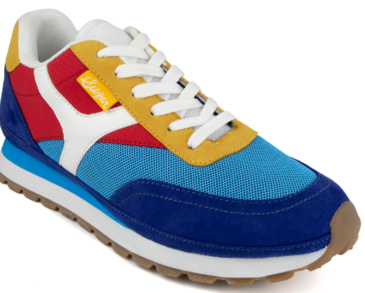 | WS08315W | MRY-BLUE/RED/YE | 400 | BOX | 08315EJR | M | 6*1 6H*1 7*1 7H*2 8*2 8H*2 9*1 9H*1 10*1 | $39.99 | California | 600 | 0 | 600
SGR-DISRUPTIVE-CUSTOMER TICKET Total |  |  |  |  |  |  |  |  |  |  | 600 | 0 | 600
Total |  |  |  |  |  |  |  |  |  |  | 61,446 | 551 | 61,997

